Satisfaction Avg
Area | Average of Public service Average | Average of Health and safety Average | Average of Urban development Average | Average of Environmental Average | Average of Citizen engagement Average | Area | Weighted Overall Satisfaction Index | Overall Satisfaction of Areas | Area | Public service satisfaction | Health and safety satisfaction | Urban development satisfaction | Environmental satisfaction | Citizen engagement satisfaction
Gobardanga bazar | 2.8636363636 | 2.5909090909 | 3 | 2.4363636364 | 3.0454545455 | Gobardanga bazar | 2.7136363636 | Neutral | Gobardanga bazar | Neutral | Dissatisfied | Neutral | Dissatisfied | Neutral
Goipur | 2.7619047619 | 2.4761904762 | 2.8571428571 | 2.1857142857 | 2.6071428571 | Goipur | 2.530952381 | Dissatisfied | Goipur | Neutral | Dissatisfied | Neutral | Dissatisfied | Neutral
Khantura | 3.0833333333 | 2.5833333333 | 3.3 | 2.7 | 2.9166666667 | Khantura | 2.8533333333 | Neutral | Khantura | Neutral | Dissatisfied | Neutral | Neutral | Neutral
Master colony | 2.9666666667 | 3.0833333333 | 3.96 | 2.42 | 2.925 | Master colony | 3.0098333333 | Neutral | Master colony | Neutral | Neutral | Satisfied | Dissatisfied | Neutral
Station area | 3.3333333333 | 2.9814814815 | 3.6888888889 | 2.7111111111 | 3.0833333333 | Station area | 3.1005555556 | Neutral | Station area | Neutral | Neutral | Satisfied | Neutral | Neutral
Overall Avg. | 2.9666666667 | 2.7266666667 | 3.312 | 2.444 | 2.89 |  |  |  | Overall satisfaction of each segments | Neutral | Neutral | Neutral | Dissatisfied | Neutral

Weighted Overall Satisfaction Index

Satisfaction Avg.

Std. Dev.
Area | StdDev of Public service Average | StdDev of Health and safety Average | StdDev of Urban development Average | StdDev of Environmental Average | StdDev of Citizen engagement Average
Gobardanga bazar | 0.57163596525 | 0.70853383971 | 0.63245553203 | 0.6859631583 | 0.48500234301
Goipur | 0.45626824148 | 0.62311988275 | 0.88553702586 | 0.74612552342 | 0.83039775985
Khantura | 0.3291402943 | 0.31180478223 | 0.39496835316 | 0.35213633723 | 0.64549722437
Master colony | 0.47009324003 | 0.4249182928 | 0.40879225911 | 0.52025634707 | 0.95051155817
Station area | 0.30046260629 | 0.52996622301 | 0.56666666667 | 0.68637534273 | 0.6123724357

Trend Analysis
Area | Average of Weighted Education | Average of Weighted Medical | Average of Weighted Road | Average of Weighted Power supply | Average of Weighted Water supply | Average of Weighted Solid waste management | Average of Weighted Water waste management | Average of Weighted Market | Average of Weighted Recreation facilities | Average of Weighted Internet Access | Average of Weighted Government policies towards ULB development | Average of Weighted Hazard mitigation | Overall Average of each ULB
Gobardanga bazar | 0 | -0.72727272727 | 0.27272727273 | 0.81818181818 | 0.27272727273 | 0.18181818182 | -0.090909090909 | -0.81818181818 | 0.18181818182 | 1 | 0 | -0.090909090909 | 0.083333333333
Goipur | -0.28571428571 | -0.57142857143 | 0.28571428571 | 0.85714285714 | 0.28571428571 | 0.28571428571 | -0.21428571429 | 0.64285714286 | -0.071428571429 | 0.78571428571 | 0.21428571429 | -0.35714285714 | 0.15476190476
Khantura | 0 | -0.66666666667 | 0.33333333333 | 0.33333333333 | 0.5 | 0.16666666667 | -0.5 | 0.83333333333 | 0.16666666667 | 0.66666666667 | 0.16666666667 | -0.33333333333 | 0.13888888889
Master colony | 0.8 | -0.4 | 0.5 | 1 | 0.4 | 0.5 | 0.3 | 0 | 0.4 | 1 | 0.1 | 0.5 | 0.425
Station area | 0.33333333333 | -0.33333333333 | 0.66666666667 | 0.88888888889 | 0.66666666667 | 0.55555555556 | 0.33333333333 | 0.11111111111 | 0.33333333333 | 0.77777777778 | 0.22222222222 | -0.22222222222 | 0.36111111111
All the outliers are marked with red text.
Outliers were retained in the analysis as they reflect actual variations in responses from the participants.
These values provide a more comprehensive view of individual experiences, which is essential for understanding the broader range of satisfaction levels across the sampled population.
The data, survey design, and average calculations have been thoroughly validated, indicating that these values represent legitimate perspectives rather than errors.
 |  |  |  |  |  |  |  |  |  |  |  |  |  | ASPECTS | Area
 |  |  |  |  |  |  |  |  |  |  |  |  |  |  | Gobardanga bazar | Goipur | Khantura | Master colony | Station area
 |  |  |  |  |  |  |  |  |  |  |  |  |  | Average of Weighted Education | 0 | -0.28571428571 | 0 | 0.8 | 0.33333333333
Q1 25th Percentile | 0 | -0.66666666667 | 0.28571428571 | 0.81818181818 | 0.28571428571 | 0.18181818182 | -0.21428571429 | 0 | 0.16666666667 | 0.77777777778 | 0.1 | -0.33333333333 |  | Average of Weighted Medical | -0.72727272727 | -0.57142857143 | -0.66666666667 | -0.4 | -0.33333333333
Q3 75th Percentile | 0.33333333333 | -0.4 | 0.5 | 0.88888888889 | 0.5 | 0.5 | 0.3 | 0.64285714286 | 0.33333333333 | 1 | 0.21428571429 | -0.090909090909 |  | Average of Weighted Road | 0.27272727273 | 0.28571428571 | 0.33333333333 | 0.5 | 0.66666666667
I Q R | 0.33333333333 | 0.26666666667 | 0.21428571429 | 0.070707070707 | 0.21428571429 | 0.31818181818 | 0.51428571429 | 0.64285714286 | 0.16666666667 | 0.22222222222 | 0.11428571429 | 0.24242424242 |  | Average of Weighted Power supply | 0.81818181818 | 0.85714285714 | 0.33333333333 | 1 | 0.88888888889
Lower Boundary | -0.5 | -1.0666666667 | -0.035714285714 | 0.71212121212 | -0.035714285714 | -0.29545454545 | -0.98571428571 | -0.96428571429 | -0.083333333333 | 0.44444444444 | -0.071428571429 | -0.69696969697 |  | Average of Weighted Water supply | 0.27272727273 | 0.28571428571 | 0.5 | 0.4 | 0.66666666667
Upper boundary | 0.83333333333 | 0 | 0.82142857143 | 0.99494949495 | 0.82142857143 | 0.97727272727 | 1.0714285714 | 1.6071428571 | 0.58333333333 | 1.3333333333 | 0.38571428571 | 0.27272727273 |  | Average of Weighted Solid waste management | 0.18181818182 | 0.28571428571 | 0.16666666667 | 0.5 | 0.55555555556
 |  |  |  |  |  |  |  |  |  |  |  |  |  | Average of Weighted Water waste management | -0.090909090909 | -0.21428571429 | -0.5 | 0.3 | 0.33333333333
Area | O.L finding- Education | O.L finding- Medical | O.L finding- Road | O.L finding-Power supply | O.L finding- Water supply | O.L finding-Solid waste management | O.L finding- Water waste management | O.L finding- Market | O.L finding- Internet Access | O.L finding- Recreation facilities | O.L finding- Government policies towards ULB development | O.L finding- Hazard mitigation |  | Average of Weighted Market | -0.81818181818 | 0.64285714286 | 0.83333333333 | 0 | 0.11111111111
Gobardanga bazar | Normal | Normal | Normal | Normal | Normal | Normal | Normal | Normal | Normal | Normal | Normal | Normal |  | Average of Weighted Internet Access | 0.18181818182 | -0.071428571429 | 0.16666666667 | 0.4 | 0.33333333333
Goipur | Normal | Normal | Normal | Normal | Normal | Normal | Normal | Normal | Normal | Normal | Normal | Normal |  | Average of Weighted Recreation facilities | 1 | 0.78571428571 | 0.66666666667 | 1 | 0.77777777778
Khantura | Normal | Normal | Normal | Outlier | Normal | Normal | Normal | Normal | Normal | Normal | Normal | Normal |  | Average of Weighted Government policies towards ULB development | 0 | 0.21428571429 | 0.16666666667 | 0.1 | 0.22222222222
Master colony | Normal | Normal | Normal | Outlier | Normal | Normal | Normal | Normal | Normal | Normal | Normal | Outlier |  | Average of Weighted Hazard mitigation | -0.090909090909 | -0.35714285714 | -0.33333333333 | 0.5 | -0.22222222222
Station area | Normal | Normal | Normal | Normal | Normal | Normal | Normal | Normal | Normal | Normal | Normal | Normal |  | Overall change of all aspects over past 10 years in every ULB | 0.083333333333 | 0.15476190476 | 0.13888888889 | 0.425 | 0.36111111111

O_P_Q Analysis
Most Pressing Issues in your Locality |  | Additional Services or Facilities you would like the ULB to introduce in your area

Issue | Frequency | Facility | Frequency
Health services | 11 | Medical services/healthcare | 8
Closed hospitals | 10 | Water supply | 5
Drainage system | 7 | Drainage and drinking water management | 3
Drinking water supply | 3 | Service to combat Greenhouse Effect | 2
Road congestion | 1 | Road connectivity | 2
River condition | 1 | Water logging management | 1
Law and order | 1 | Public toilets | 1
Environmental sustainability | 1 | Environmental education | 1
 |  | Recreation facilities | 1
 |  | Water quality improvement | 1
 |  | Tree plantation/green space | 1
 |  | Noise pollution control | 1
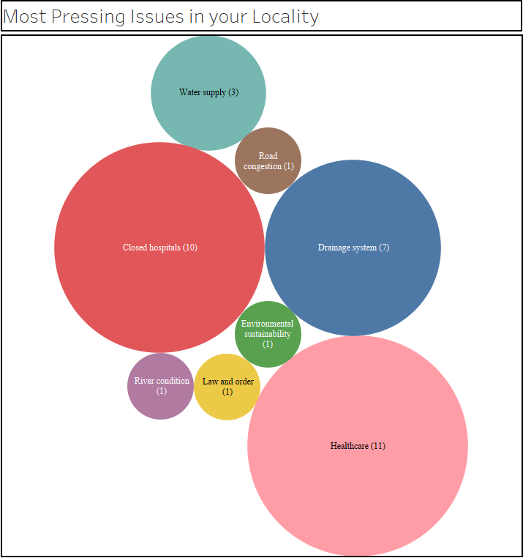
Additional Services or Facilities you would like the ULB to introduce in your area

